UPD Price List
Encanto, Miraculous, Lady Bug, Wish, & Frozen Inventory
Quantity: 505,176 units
Price: As Shown, per unit ExWarehouse Los Angeles, CA
Subject to change and prior sale.
Image | Item # | Description | Pack | IN | Origin | # Units | Price | UPC | UCC | Case Size | Wt | Cube | Tie | Hi | Item Size | Item Wt
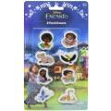 | 84596MZ | Encanto 8pk Eraser on blister card | 96 | 24 | China | 7,142 | $0.55 | 077764845963 | 50077764845968 | 18" x 10" x 9" | 19 | 0.94 | 10 | 10 | 4.5" x .25" x 8" | 2.9
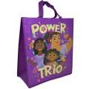 | 99WT21UP | Encanto Large Non Woven Tote Bag | 72 | 8 | China | 9,277 | $0.55 | 840716271222 | 50840716271227 | 18" x 15" x 9" | 10 | 1.4 | 10 | 6
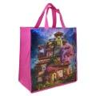 | DM551 | Encanto Medium Eco Friendly Tote Bag | 96 | 24 | China | 1,591 | $0.66 | 810092492405 | 50810092492400 | 15" x 14" x 11" | 10 | 1.34 | 10 | 6 | 12" x 6.5" x 13" | 1.4
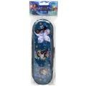 | 84598MZ | Encanto Tin Zipper Pencil Case in a Poly Bag | 120 | 24 | China | 3,960 | $0.76 | 077764845987 | 50077764845982 | 18" x 15" x 21" | 24 | 3.28 | 6 | 4 | 3.5" x 1.25" x 10.5" | 2.7
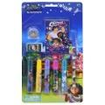 | 84597MZ | Encanto 9pc Stationery Set on Blister Card | 72 | 24 | China | 4,315 | $0.87 | 077764845970 | 50077764845975 | 21" x 12" x 13" | 16 | 1.89 | 7 | 7
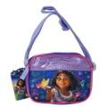 | LBG27RLDSYIR | Encanto Zipper Crossbody Bag | 180 | 6 | China | 2,764 | $1.04 | 196179550931 | 50196179550936 | 18" x 16" x 15" | 29 | 2.5 |  |  | 6.5" x 1.5" x 5" | 2.5
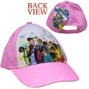 | EOGH0004UP | Encanto Kids Baseball Hat with Hangtag | 72 | 6 | China | 2,591 | $1.28 | 888783800549 | 50888783800544 | 18" x 9" x 14" | 10 | 1.32 | 10 | 8 | 6.5" x 4" x 10" | 1.6
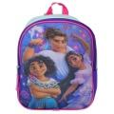 | MPG27KRDSYIR | Encanto 11" Mini Backpack | 36 | 6 | China | 8,307 | $1.98 | 196179551488 | 50196179551483 | 19" x 13" x 7" | 10 | 1 | 12 | 7 | 9" x 3.5" x 11" | 4
 | MPG27KRDSYSS | Encanto 11" Mini Backpack | 36 | 6 | China | 246 | $1.98 | 196179560909 | 50196179560904 | 19" x 13" x 8" | 10 | 1.14 | 12 | 7 | 9" x 3.5" x 11" | 4
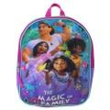 | MPG55H3DSYIR00 | Encanto 11" Mini Backpack | 36 | 6 | China | 2,989 | $1.98 | 197394424083 | 50197394424088 | 19" x 13" x 7" | 11 | 1 | 7 | 13 | 9" x 3.5" x 11" | 5
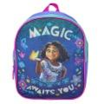 | MPG27HYDSYIR | Encanto 11" Mini Backpack | 36 | 6 | China | 961 | $2.09 | 196179551495 | 50196179551490 | 19" x 14" x 8" | 10 | 1.23 | 12 | 6 | 9" x 3.5" x 11" | 4
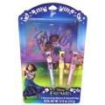 | 42QT004HBAZA | Encanto 3pk Lip Gloss & Cosmetic Bag on Card | 144 | 12 | China | 777 | $2.19 | 889628147805 | 50889628147800 | 27" x 25" x 11" | 26 | 4.29 | 5 |  | 5.5" x .75" x 9.75" | 2.1
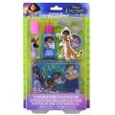 | EN0004GA | Encanto Cosmetic Set with Mini Glitter in Box | 72 | 12 | China | 737 | $2.77 | 719565462313 | 50719565462318 | 24" x 12" x 25" | 37 | 4.16 | 6 | 3 | 5.75" x 1.25" x 10" | 7.5
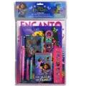 | 713280EN | Encanto 11pc Value Set in Bag with Header | 12 |  | China | 472 | $2.77 | 191537132804 | 50191537132809 | 22" x 11" x 5" | 10 | 0.7 | 14 | 8 | 10.2" x .75" x 15.7" | 12.9
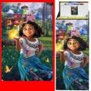 | PD15866 | Encanto 34x22" Poster in Display | 40 |  | Canada | 96 | $3.38 | 663542856674 | 50663542856679 | 14" x 5" x 44" | 9 | 1.98 | 7 | 16 | 1" x 1" x 22.5" | 2.1
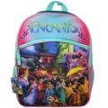 | PEOU | Encanto 16" Backpack with 1 Front Pocket | 24 | 6 | China | 470 | $4.40 | 678634516404 | 50678634516409 | 18" x 14" x 14" | 17 | 2.04 | 8 | 6 | 12" x 6" x 16" | 10
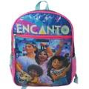 | BPG27RJDSY | Encanto 16" Backpack with 1 Lower Front Pocket | 24 | 6 | China | 419 | $4.92 | 196179518573 | 50196179518578 | 18" x 14" x 16" | 19 | 2.33 | 9 | 6 | 12" x 6" x 16" | 12
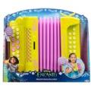 | 219471 | Jakks, Encanto-Mirabel's Musical Accordion | 2 |  | China | 68 | $14.90 | 192995219472 | 50192995219477 | 11" x 8" x 9" | 3 | 0.46 | 24 | 10 | 10" x 3.5" x 8.5" | 20
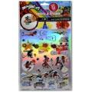 | 19652 | Miraculous Ladybug Create A Sticker in polybag | 36 |  | China | 19,479 | $0.55 | 724328196527 | 50724328196522 | 12" x 8" x 3" | 3 | 0.16 | 52 | 12 | 6" x 0.10" x 11" | 1.3
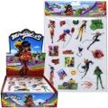 | ST8934DI | Miraculous Ladybug Raised Sticker Sheet in Display | 96 | 24 | China | 22,457 | $0.66 | 042692096367 | 50042692096362 | 14" x 9" x 12" | 9 | 0.87 | 15 | 8 | 7.5" x .25" x 12.5" | 1.2
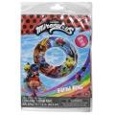 | 26596LAD | Miraculous Ladybug Inflatable Swim Ring | 36 |  | Vietnam | 8,037 | $0.75 | 687554341393 | 50687554341398 | 10" x 8" x 10" | 7 | 0.46 | 24 | 10 | 6.5" x .50" x 10" | 2.8
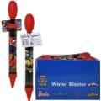 | 26146LAD | Miraculous Ladybug Water Blaster with hangtag in PDQ | 36 |  | China | 5,683 | $0.76 | 687554341614 | 50687554341619 | 13" x 9" x 9" | 5 | 0.61 | 15 | 10 | 1.25" x 1.25" x 12" | 1.8
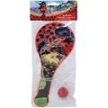 | 22967LAD | Miraculous Ladybug Paddle Ball | 72 | 12 | China | 168 | $0.76 | 687554341591 | 50687554341596 | 13" x 12" x 12" | 12 | 1.08 | 12 | 8 | 5" x 1" x 12" | 2.3
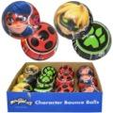 | 27365LAD | Miraculous Ladybug 3" PU Ball Bulk in PDQ | 36 | 12 | China | 546 | $0.76 | 687554341607 | 50687554341602 | 13" x 10" x 10" | 3 | 0.75 | 15 | 9 | 3" x 3" x 3" | 0.8
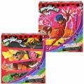 | 63139 | Miraculous Ladybug 48pc & 100pc Premiere Puzzle | 12 |  | China | 15,756 | $0.87 | 686141130273; Puzzle (48) 6 pc 686141130280; Puzzle (100) 6 pc | 50686141130278 | 10" x 9" x 15" | 4 | 0.78 | 20 | 10 | 7" x 1.5" x 8.25" | 4.4
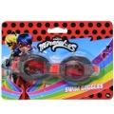 | 26597LAD | Miraculous Ladybug 1pk Splash Goggles | 24 |  | China | 2,575 | $0.87 | 687554341324 | 50687554341329 | 14" x 8" x 7" | 2 | 0.45 | 21 | 12 | 7" x 1.25" x 5" | 1.2
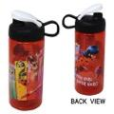 | MLBAT070 | Miraculous Ladybug 16.5oz Sullivan Bottle | 72 | 36 | China | 9,499 | $0.88 | 707849145779 | 50707849145774 | 17" x 17" x 17" | 15 | 2.84 | 6 | 5 | 2.5" x 2.75" x 7" | 2.9
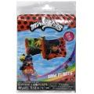 | 26588LAD | Miraculous Ladybug Arm Inflatable Floaties 4.5 Gauge in Polybag With color insert | 36 |  | Vietnam | 8,553 | $1.08 | 687554341379 | 50687554341374 | 10" x 8" x 11" | 6 | 0.51 | 24 | 8 | 6.5" x .50" x 11" | 2.3
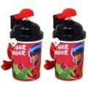 | MLBAB660 | Miraculous Ladybug 12 oz Canteen with popup lid and strap | 24 |  | China | 18,911 | $1.08 | 707849145762 | 50707849145767 | 19" x 13" x 8" | 5 | 1.14 | 8 | 12 | 3" x 2.5" x 6.5" | 6
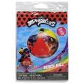 | 26589LAD | Miraculous Ladybug Inflatable Beach Ball | 36 |  | Vietnam | 6,844 | $1.18 | 687554341386 | 50687554341381 | 10" x 8" x 9" | 7 | 0.42 | 24 | 10 | 6.5" x .50" x 10" | 2.7
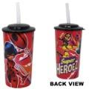 | MLBAJ130 | Miraculous Ladybug- 16 oz. PP Sports Tumbler with lid and straw 36g | 36 |  | China | 41,583 | $1.29 | 707849145748 | 50707849145743 | 21" x 11" x 10" | 4 | 0.48 | 8 | 12 | 3.25" x 2.5" x 5.5" | 1.7
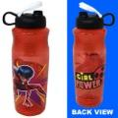 | MLBAT410 | Miraculous Ladybug 30 oz Sullivan Bottle | 48 | 24 | China | 570 | $1.60 | 707849145755 | 50707849145750 | 21" x 14" x 21" | 14 | 3.33 | 7 | 4 | 2.5" x 2.75" x 9.25" | 3.9
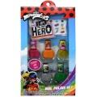 | 42ZA05843HBAZ | Miraculous Ladybug Nail Swag Set in Box | 48 | 6 | China | 1,337 | $1.88 | 889628146372 | 50889628146377 | 20" x 14" x 22" | 23 | 3.56 | 7 | 4 | 5.75" x 1.5" x 10" | 6.8
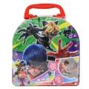 | 31482LAD | Miraculous Ladybug Chalk Tin Set shrinkwrapped with insert | 12 |  | China | 2,670 | $1.98 | 687554341188 | 50687554341183 | 15" x 13" x 7" | 11 | 0.79 | 15 | 7 | 6" x 2.25" x 6" | 14
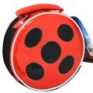 | RLDP | Miraculous Ladybug Round Lunch Bag | 24 | 6 | China | 1,712 | $2.13 | 678634514189 | 50678634514184 | 16" x 16" x 21" | 9 | 3.21 | 6 | 6 | 7.75" x 3.25" x 7.75" | 4.2
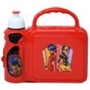 | MLBAG520 | Miraculous Ladybug Combo Lunch Box with Water Bottle | 12 |  | China | 8,304 | $2.13 | 707849147285 | 50707849147280 | 18" x 14" x 10" | 6 | 1.46 | 10 | 6 | 8.5" x 3" x 7" | 6.7
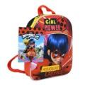 | INPB | Miraculous Ladybug 11" Mini Backpack | 24 | 12 | China | 1,306 | $2.33 | 678634513458 | 50678634513453 | 14" x 11" x 8" | 9 | 0.72 | 18 | 8 | 9" x 3" x 11" | 2.8
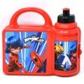 | LACO | Miraculous Ladybug Combo Lunch Box | 12 |  | China | 93 | $2.61 | 678634513892 | 50678634513897 | 22" x 9" x 11" | 5 | 1.26 | 9 | 9 | 8" x 3" x 7" | 5.5
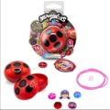 | MIRLCS | Miraculous Ladybug Lucky Blind Jewels Charm Bracelet, Necklace, Dangle & More! Find All 68 Gems | 48 | 12 | China | 142,064 | $2.77 | 678634866400 | 50678634866405 | 13" x 12" x 11" | 5 | 0.99 | 16 | 8 | 4" x 2" x 4.5"
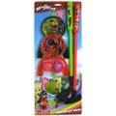 | 25279LAD | Miraculous Ladybug Minature Golf Set on blister card | 12 |  | China | 2,615 | $3.14 | 687554341133 | 50687554341138 | 24" x 10" x 13" | 9 | 1.81 | 8 | 7 | 9.5" x 2" x 23" | 10.9
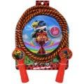 | 27320LAD | Miraculous Ladybug Deluxe Jump Rope on blister card | 24 | 12 | China | 116 | $3.14 | 687554341119 | 50687554341114 | 24" x 10" x 18" | 10 | 2.5 | 8 | 5 | 8.25" x 1.25" x 11" | 4.5
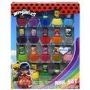 | 425K008HBAZA | Miraculous Ladybug 18pk Nail Polish in Box | 36 | 6 | China | 600 | $3.35 | 889628144101 | 50889628144106 | 26" x 20" x 13" | 48 | 3.92 | 3 | 7 | 8" x 1.5" x 11.5" | 20
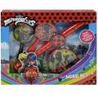 | 27146LAD | Miraculous Ladybug Music Set in window box | 6 |  | China | 339 | $3.38 | 687554341218 | 50687554341213 | 13" x 10" x 11" | 4 | 0.83 | 15 | 8 | 12" x 1.5" x 10" | 9.1
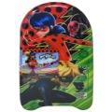 | 26856LAD | Miraculous Ladybug Foam Kickboard 17.5" x 9.25" | 6 |  | China | 1,359 | $3.66 | 687554341317 | 50687554341312 | 12" x 12" x 18" | 2 | 1.5 | 12 | 5 | 10" x 1.25" x 17.5" | 3.3
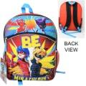 | MLSB | Miraculous Ladybug 16" Backpack | 24 | 6 | China | 1,304 | $3.87 | 678634513434 | 50678634513439 | 18" x 14" x 11" | 18 | 1.61 | 9 | 6 | 12" x 5" x 16" | 7.4
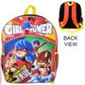 | IASX | Miraculous Ladybug 16" Backpack | 24 | 6 | China | 3,311 | $3.87 | 678634513441 | 50678634513446 | 19" x 14" x 11" | 19 | 1.69 | 9 | 5 | 12" x 5" x 16" | 7.4
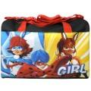 | DULAD | Miraculous Ladybug Duffle Bag | 24 | 12 | China | 1,355 | $3.87 | 678634514486 | 50678634514481 | 16" x 13" x 12" | 19 | 1.44 | 9 | 8 | 14.5" x 7.5" x 11" | 12
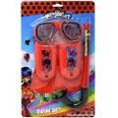 | 27831LAD | Miraculous Ladybug 3 pc Swim Set on Blister Card | 6 |  | China | 4,251 | $4.40 | 687554341331 | 50687554341336 | 17" x 10" x 12" | 6 | 1.18 | 12 | 8 | 9.5" x 2.5" x 15.5" | 13
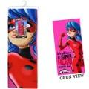 | LABE | Miraculous Ladybug Microfiber Beach Towel 27x54" on Hanger with Hangtag | 24 | 6 | China | 352 | $5.45 | 678634514455 | 50678634514450 | 21" x 14" x 13" | 16 | 2.21 | 7 | 7 | 9" x 1" x 27" | 9
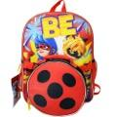 | OUBL | Miraculous Ladybug 16" Backpack with Round Lunch Bag | 24 | 6 | China | 2,975 | $6.03 | 678634513496 | 50678634513491 | 18" x 15" x 17" | 24 | 2.66 | 6 | 5 | 12" x 6" x 16" | 9.6
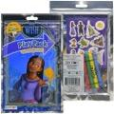 | 47926 | Disney- Wish Grab n Go Play Pack | 24 |  | China | 5,388 | $0.66 | 805219479261 | 50805219479266 | 9" x 6" x 7" | 3 | 0.22 | 33 | 13 | 5.25" x .50" x 8.5" | 2
 | 58702 | Disney - Wish Imagine Ink | 12 |  | China | 3,082 | $1.04 | 805219587027 | 50805219587022 | 9" x 6" x 7" | 2 | 0.22 | 37 | 13 | 5.5" x .75" x 8" | 3
 | HRH749564 | Mattel DP Disney Wish Market Mini Playset | 4 |  | China | 57 | $7.55 | 194735177295 | 50194735177290 | 10" x 10" x 9" | 3 | 0.52 | 19 | 9 | 10" x 2.5" x 8" | 9
 | 10712 | Disney Wish Mini Stylized Capsule Plush | 12 |  | China | 647 | $1.71 | 886144107122 | 50886144107127 | 12" x 9" x 8" | 2 | 0.5 | 17 | 12 | 3.5" x 3" x 4" | 1.5
 | 22121 | Wish Create A Sticker in polybag | 36 |  | China | 12,942 | $0.45 | 724328221212 | 50724328221217 | 12" x 7" x 3" | 3 | 0.14 | 48 | 13 | 6.25" x .25" x 11" | 1
 | 6071448 | Wish 5pk Wood Puzzle | 6 |  | China | 2,599 | $2.77 | 681147040526 | 50681147040521 | 12" x 11" x 10" | 10 | 0.76 | 15 | 8 | 11.5" x 1.75" x 9" | 24
 | 6071433 | Wish Large Lunch Tin Box with 24pc puzzle inside | 6 |  | China | 992 | $2.61 | 681147040342 | 50681147040347 | 20" x 8" x 7" | 6 | 0.65 | 12 | 13 | 7.75" x 3" x 6.25" | 14
 | 6071432 | Wish 4-pk Puzzles with Rope Handle | 6 |  | China | 1,011 | $2.30 | 681147040335 | 50681147040330 | 16" x 9" x 8" | 8 | 0.66 | 12 | 12 | 8" x 3" x 7.75" | 21
 | 21641 | Wish 4 Sheet Tattoo Book | 96 | 24 | China | 7,740 | $0.45 | 724328216416 | 50724328216411 | 8" x 6" x 9" | 7 | 0.25 | 39 | 10 | 4.75" x .25" x 7.5" | 2
 | 6071449 | Wish Pop Up Game | 6 |  | China | 322 | $2.88 | 681147040533 | 50681147040538 | 10" x 9" x 10" | 3 | 0.52 | 20 | 9 | 9" x 1.5" x 9" | 8
 | WS016INVASS | Disney Wish Jewelry Set in Box with Sticker Earrings | 72 | 6 | China | 403 | $0.66 | 193466074941 | 50193466074946 | 20" x 16" x 10" | 9 | 1.85 | 8 | 6 | 4.75" x 1" x 8" | 2
 | WS022INVASS | Disney Wish Paddle Brush with Rhinestones | 96 | 6 | China | 6,164 | $0.76 | 193466074682 | 50193466074687 | 23" x 11" x 13" | 21 | 1.9 | 6 | 7 | 3.25" x 1.25" x 9.5" | 3
 | 17498 | Frozen 96ct Sticker in polybag | 24 |  | China | 4,513 | $0.53 | 724328174983 | 50724328174988 | 8" x 5" x 1" | 1 | 0.03 | 48 | 19 | 4" x 0.10" x 7.25" | 0.5
 | 19635 | Frozen Create A Sticker in polybag | 36 |  | China | 8,462 | $0.83 | 724328196350 | 50724328196355 | 12" x 8" x 3" | 3 | 0.16 | 48 | 12 | 6" x 0.10" x 11" | 1.3
 | 6059903 | Spin Master Games Disney Frozen Puzzle in Tin | 36 | 12 | China | 353 | $0.87 | 778988326305 | 50778988326300 | 13" x 10" x 5" | 5 | 0.37 | 14 | 19 | 3" x 1" x 4" | 2.25
 | FRZH6385C | Frozen 2 PP Straw W-Pouch 3pc | 72 | 12 | China | 4,584 | $0.87 | 707226996505 | 50707226996500 | 18" x 10" x 11" | 6 | 1.14 | 10 | 8 | 2.75" x .75" x 11" | 0.8
 | 16249 | Frozen 2- 4 Sheet Foil Cover Sticker Pad, 200+ Stickers | 72 | 36 | China | 1,654 | $0.93 | 724328162492 | 50724328162497 | 10" x 5" x 7" | 6 | 0.2 | 35 | 13 | 5.75" x 0.10" x 9.5" | 1.4
 | 193159031848 | Frozen "Anna" Slipper Sock Size 2T-3T | 12 |  | China | 13,084 | $0.97 | 193159031848 | 50193159031843 | 7" x 7" x 5" | 1 | 0.14 | 53 | 13 | 3.25" x .75" x 6.5" | 1.1
 | 193159031794 | Frozen "Anna" Slipper Sock Size 3T-4T | 12 |  | China | 14,292 | $0.97 | 193159031794 | 50193159031799 | 8" x 7" x 5" | 1 | 0.16 | 40 | 13 | 3.5" x .50" x 7" | 1.15
 | FRZJ0350 | Frozen 2 8in Melamine Bamboo Plate W/ Rim | 36 | 6 | China | 1,189 | $1.04 | 707849109702 | 50707849109707 | 11" x 9" x 9" | 9 | 0.51 | 17 | 10 | 8" x .75" x 8" | 3.5
 | 4581024 | Frozen 2 Grab n Go Play Pack Bulk | 24 |  | China | 6,121 | $1.08 | 805219458105 | 50805219458100 | 9" x 6" x 7.2" | 3.01 | 0.22 | 35 | 16 | 5.25" x .25" x 8.5" | 2
 | FZ1792GA | Frozen 2pk Scrunchy on Card | 144 | 12 | China | 239 | $1.14 | 719565428197 | 50719565428192 | 16" x 12" x 13" | 11 | 1.44 | 8 | 7 | 3.75" x .50" x 7.5" | 1
 | 26588FRZ2 | Frozen 2 Arm Inflatable Floaties 4.5 Gauge in Polybag With color insert | 12 |  | Vietnam | 423 | $1.25 | 687554333916 | 50687554333911 | 10" x 7" x 7" | 2 | 0.28 | 24 | 13 | 6.5" x .50" x 10" | 2.9
 | 53364 | Frozen Shaped Activity Book (pre priced $5.99) | 12 |  | China | 8,120 | $1.41 | 9781690236863 | 50978169023688 | 8" x 7" x 10" | 4 | 0.32 | 30 | 9 | 6.25" x .75" x 9" | 5
 | FZ4446GG | Frozen 3pk Lip Gloss w/Mirror on Card | 144 | 12 | China | 1,097 | $1.50 | 719565496295 | 50719565496290 | 16" x 12" x 17" | 22 | 1.89 | 9 | 5 | 3.75" x .75" x 8" | 2
 | 52598 | Disney Frozen 8-count Jumbo Markers | 48 |  | China | 307 | $1.71 | 805219525982 | 50805219525987 | 11" x 10" x 9" | 11 | 0.57 | 16 | 10 | 5" x .50" x 6.5" | 4
 | FRZRT070 | Frozen 2- 16.5oz Sullivan Bottle | 36 |  | China | 3,532 | $1.81 | 707849193725 | 50707849193720 | 24" x 11" x 8" | 7 | 1.22 | 6 | 12 | 2.5" x 2.75" x 7" | 2.6
 | 458111 | Frozen 2 Imagine Ink Magic Ink | 12 |  | China | 559 | $2.19 | 805219458112 | 50805219458117 | 9" x 6" x 7" | 3 | 0.22 | 32 | 13 | 5.5" x .75" x 8" | 3
 | 55155UPD | Frozen Imagine Ink Magic Ink Pictures | 12 |  | China | 2,540 | $2.30 | 805219551554 | 50805219551559 | 8" x 6" x 7" | 2 | 0.19 | 30 | 13 | 5.5" x .75" x 8" | 3
 | FZFB5612ST | Frozen Elsa "Ponytail" Baseball Cap | 96 | 12 | China | 3,280 | $2.30 | 794434410336 | 50794434410331 | 28" x 16" x 12" | 27 | 3.1 | 3 | 8 | 6" x 9" x 4" | 3.5
 | FZFE2851ST | Frozen Scandi & Mitten Set - Toddler | 96 | 12 | China | 280 | $2.33 | 794434487178 | 50794434487173 | 24" x 16" x 16" | 22 | 3.55 | 5 | 6 | 7.5" x 2" x 9" | 3
 | 43F2266GNSZA | Frozen 2 Together NS Socks 10pk Size 10-4 | 60 | 6 | China | 919 | $3.35 | 193159214432 | 50193159214437 | 18" x 17" x 16" | 26 | 2.83 | 6 | 6 | 6" x 1.5" x 7.5" | 6
 | 26600FRZ2 | Frozen 2 - 3 pc Swim Set on Blister Card | 6 |  | China | 436 | $4.98 | 687554335231 | 50687554335236 | 16" x 10" x 11" | 5 | 1.02 | 12 | 8 | 9.5" x 2.5" x 15.5" | 12
 | FRZLV451 | Frozen 2-15.5oz Stainless Steel Vector Bottle with push button spout | 24 | 12 | China | 1,019 | $4.98 | 707849133233 | 50707849133238 | 12" x 11" x 14" | 9 | 1.07 | 12 | 6 | 2.75" x 3" x 6" | 4.9
 | HWX21956A | Mattel DDC Frozen Ice Reveal Small Doll Asstd. | 3 |  | China | 932 | $5.45 | 194735222780 | 50194735222785 | 11" x 5" x 6" | 2 | 0.19 | 29 | 16 | 4" x 3.25" x 5.5" | 11
 | 705401FZ2 | Frozen Make your own Castle Play Set | 6 |  | China | 250 | $6.03 | 191537054014 | 50191537054019 | 18" x 13" x 10" | 18 | 1.35 | 10 | 7 | 13" x 1.5" x 17" | 46
 | BPG7GAJFRZUP | Frozen 16" Backpack | 24 | 6 | China | 234 | $7.08 | 198996054944 | 50198996054949 | 26" x 17" x 12" | 21 | 3.07 | 12 | 5 | 12" x 5" x 16" | 13
 | DFMDB | Frozen 2 - Magical Destiny Fleece Throw 45x60" | 36 | 6 | China | 1,359 | $7.55 | 190604986029 | 50190604986024 | 21" x 16" x 24" | 30 | 4.66 | 6 | 4 | 5" x 5" x 10" | 12
 | B1G7S61FRZ | Frozen 16" Backpack with Lunch Bag | 24 | 6 | China | 145 | $9.65 | 198996082954 | 50198996082959 | 17" x 14" x 21" | 23 | 2.89 | 8 | 4 | 12" x 5" x 16" | 14
 |  |  |  |  |  | 505,176

